Sheet1
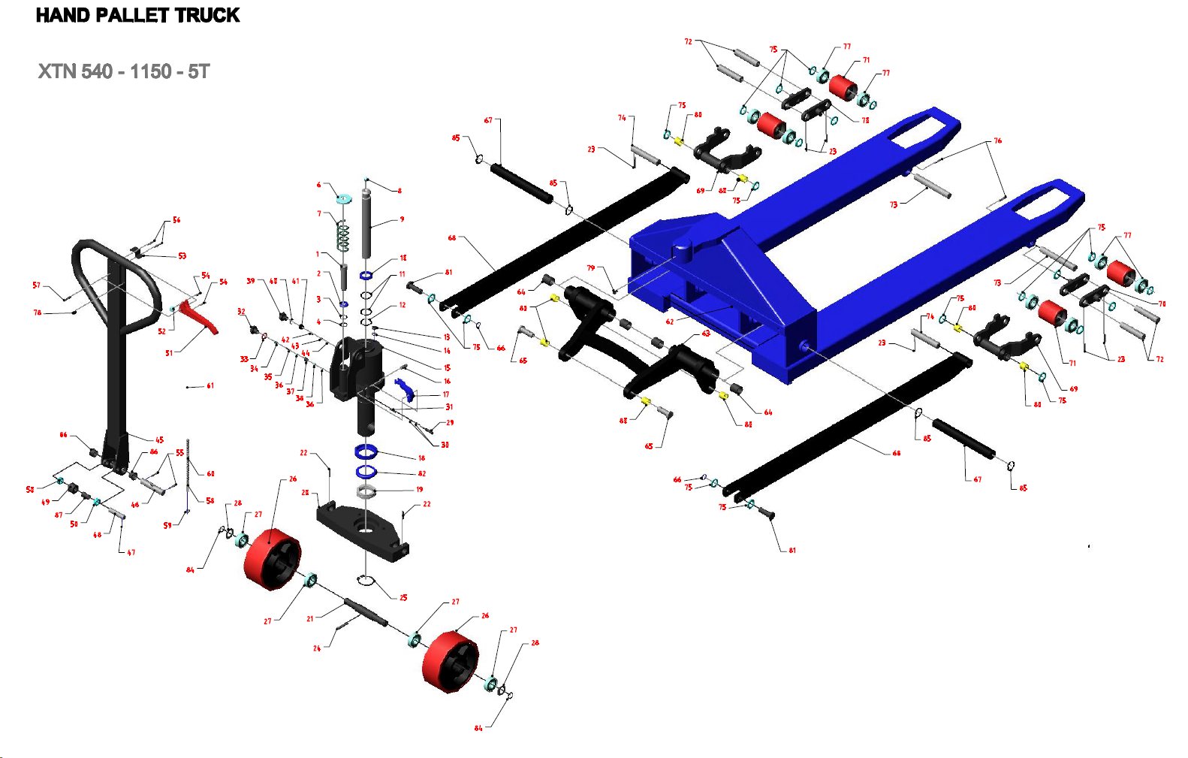
Part No. | Description | Quantity
1 | Plunger Piston | 1
2 | Dust Seal Ø18 - Ø26 - 4/6 | 1
3 | O-ring Ø17.8 x 2.4 | 1
4 | Back-up ring Ø18 x Ø22 x 1.25 | 1
6 | Spring Cap | 1
7 | Spring | 1
8 | Steel Ball Ø14 | 1
9 | Ram Piston | 1
10 | Dust Seal Ø40xØ48x5/6,5 | 1
11 | O-ring Ø39x4 | 2
12 | Back-up ring Ø40xØ47x1,5 | 1
13 | Oil Plug | 1
14 | O-ring Ø6 x 1.8 | 1
15 | Pump Body BM - N32 | 1
16 | Spring Pin Ø8 x 25 | 1
17 | Cam | 1
18 | Bearing Base | 1
19 | Bearing 51111 | 1
20 | Table | 1
21 | Steering Wheel Axis | 1
22 | Spring Pin Ø6 x 35 | 2
23 | Spring Pin Ø5 x 35 | 6
24 | Spring Pin Ø8 x 45 | 1
25 | Snap Ring Ø55 | 1
26 | Steering Wheel Ø180 x 70 | 2
27 | Bearing 6205 | 4
28 | Washer | 2
29 | Release Nozzle | 1
30 | O-ring Ø4 x 2 | 2
31 | Spring | 1
32 | Release Plug | 1
33 | Copper Washer Ø14.5 x Ø22 x 1.5 | 1
34 | Spring | 1
35 | Spring | 1
36 | Steel Ball Ø6 | 2
37 | Valve Housing | 1
38 | Steel Ball Ø9 | 1
39 | Relief Screw | 1
40 | O-ring Ø11.2 x 2.65 | 1
41 | Relief Screw | 1
42 | Spring | 1
43 | Ball housing | 1
44 | Steel Ball Ø5 | 1
45 | Handle | 1
46 | Hanle Axis | 1
47 | Spring Pin Ø3 x 25 | 1
48 | Roller Pin | 1
49 | Roller | 1
50 | Bushing | 2
51 | Lever | 1
52 | Plastic Roller | 1
53 | Spring Plate | 1
54 | Spring Pin Ø4 x 16 | 2
56 | Spring Pin Ø4 x 30 | 2
57 | Spring Pin Ø6 x 30 | 1
55 | Spring Pin Ø5 x 30 | 2
58 | Anchor Bolt | 1
59 | Nut M6 | 1
60 | Chain | 1
61 | Release Rod | 1
62 | Fork | 1
63 | Lifting Yoke | 1
64 | Bushing | 4
65 | Table Pin | 2
66 | Snap ring Ø20 | 2
67 | Lifting Yoke Axis 540-5T | 2
68 | Rod 1150 | 2
69 | Arm | 2
70 | Steel Plate | 4
71 | Load Wheel | 4
72 | Load Wheel Axis | 4
73 | Arm Pin | 2
74 | Rod Pin | 2
75 | Washer | 20
76 | Spring Pin Ø5 x 40 | 2
77 | Bearing 6204 | 8
78 | Rubber | 1
79 | Screw M6 x 10 | 1
80 | Bushing Ø22 - Ø20 - 20 | 8
81 | Rod pin 5T | 2
82 | Bearing 51111 cap | 1
84 | Snap ring Ø25 | 2
85 | Inner Circlip Ø30 | 4
86 | Bushing | 2
87 | Bushing (for roller) | 1
89 | Washer Ø30xØ20,5x3,5 | 4

