封面
SP250

Manual Lift Table

Parts Catalogue

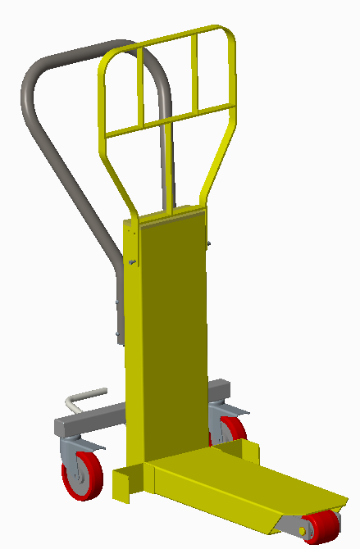

Ningbo Ruyi Joint Stock CO., Ltd

Add：656 North Taoyuan Road Ninghai, Zhejiang China

Version NO:
SB－SP25－AC00

20180112

0.00总装SP25-00
0.00 |  | 总装（SP25-00）General Assembly
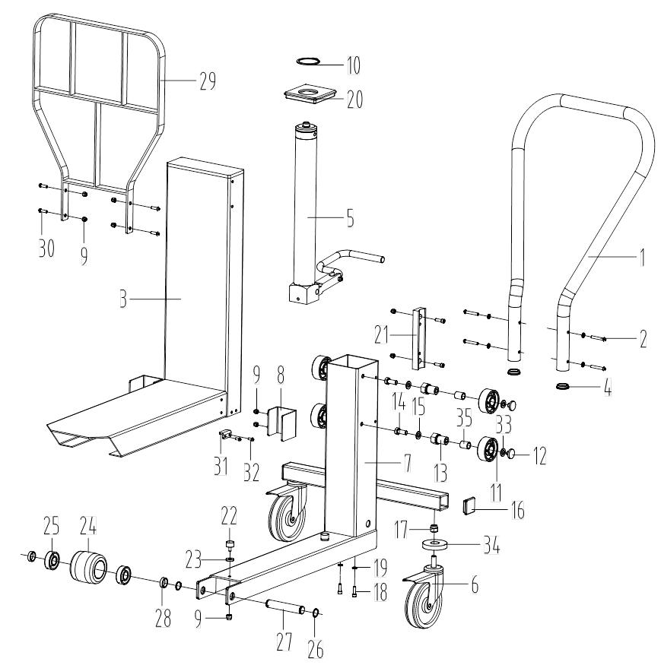

注释 | 序号 | 图号 | Erp号 | 名称 |  | 规格型号 | 数量 | 备注 |  | 旧图号
Note | Item NO. | Drawing NO. | Part NO. | Part name | Part name | Specification | Q'ty | Remarks | Remarks | Old drawing NO.
 | 1 | 059.02.0000.53 | 1132400007 | 把手管 | Knob pipe |  | 1 |  |  | SP25-01
 | 2 | GB/T70.2 | 0908520009 | 内六角平圆头螺钉M6X40 | Screw M6X40 |  | 4 | 标准件 | standard part | GB/T 70.2-2000
 | 3 | SP25.06-00 | 31020201047 | 前架组件 | Front frame assembly |  | 1 |  |  | SP25.1-00
 | 4 | 260.04.0266.01 | 0904120007 | 把手蒙盖 | Knob cap |  | 2 |  |  | SP25-02
Y | 5 | SP25.17-00 | 310302031 | 千斤顶组件 | Jack assembly |  | 1 | 见1.00 | see 1.00 | SP25.2-00
 | 6 | 010.03.1125.01 | 0905080029 | 5寸万向轮 | Universal caster |  | 2 | 丝杆双刹 | screw rod double brake | B3-13A125-31A
 | 7 | SP25.13-00 | 31020201042 | 后架组件 | Rear frame assembly |  | 1 |  |  | SP25.3-00
 | 8 | SP25.18-00 | 31020201044 | U形卡 | U-plate |  | 2 |  |  | SP25.4-00
 | 9 | GB/T889.1 | 0908010006 | 1型非金属嵌件六角锁紧螺母M6 | Nut M6 |  | 14 | 标准件 | standard part | GB/T 889.1-2000
 | 10 | GB/T894.1 | 0908310024 | 轴用弹性挡圈A型55 | Circlip for shaft 55 |  | 1 | 标准件 | standard part | GB/T 894.1-1986
 | 11 | 020.01.0062.01 | 31050301089 | 滚轮 | Roller wheel |  | 4 |  |  | SP25-03
 | 12 | 263.99.0000.32 | 0904120009 | 导向垫 | Guide pad |  | 4 |  |  | SP25-04
 | 13 | SP25-01 | 31050301090 | 滚轮座 | Roller wheel seat |  | 4 |  |  | SP25-05
 | 14 | GB/T5783 | 0908420049 | 六角头螺栓全螺纹M10X25 | Screw M10X25 |  | 4 | 标准件 | standard part | GB/T 5781-2000
 | 15 | GB/T93 | 0908370014 | 标准型弹簧垫圈10 | Washer 10 |  | 4 | 标准件 | standard part | GB/T 95-2002
 | 16 | 260.04.0330.01 | 0904120008 | 侧蒙盖 | Side cap |  | 2 |  |  | SP25-06
 | 17 | GB/T889.1 | 0908010020 | 1型非金属嵌件六角锁紧螺母M12 | Nut M12 |  | 2 | 标准件 | standard part | GB/T 889.1-2000
 | 18 | GB/T70.1 | 0908240022 | 内六角圆柱头螺钉M6X16 | Screw M6X16 |  | 6 | 标准件 | standard part | GB/T 70.1-2000
 | 19 | GB/T93 | 0908370007 | 标准型弹簧垫圈6 | Washer 6 |  | 2 | 标准件 | standard part | GB/T 95-2002
 | 20 | 263.05.0000.28 | 31050301092 | 千斤顶固定盖 | Fixed cover |  | 1 |  |  | SP25-07
 | 21 | SP25-02 | 31050301091 | 把手座 | Knob seat |  | 2 |  |  | SP25-08
 | 22 | 260.05.0115.01 | 0904170024 | 橡胶撞块 | Block |  | 2 |  |  | CDD15RZ.08-03
 | 23 | 220.01.0070.03 | 31050301088 | 垫圈 | Washer |  | 2 |  |  | SP25-09
 | 24 | 020.21.0082.02 | 0905040003 | 轮子 | Wheel |  | 1 |  |  | AM.7-02B-82
 | 25 | GB/T276 | 0907020005 | 深沟球轴承6204-2RS | Bearing 6204-2RS |  | 2 | 标准件 | standard part | GB/T276-1994
 | 26 | GB/T894.1 | 0908320018 | 轴用弹性挡圈A型20 | Circlip for shaft 20 |  | 2 | 标准件 | standard part | GB/T 894.1-1986
 | 27 | 001.02.0200.25 | 0906230142 | 销轴 | Pin |  | 1 |  |  | SP25-10
 | 28 | 220.01.0210.07 | 31050301087 | 挡圈 | Retaining ring |  | 2 |  |  | SP25-11
 | 29 | SP25.19-00 | 31020201048 | 挡货架 | Backrest |  | 1 |  |  | SP25.5-00
 | 30 | GB/T70.2 | 0908520008 | 内六角平圆头螺钉M6X20 | Screw M6X20 |  | 4 | 标准件 | standard part | GB/T 70.2-2000
 | 31 | SP25-03 | 31050301103 | 限位块 | Stop block |  | 2 |  |  | SP25-12
 | 32 | GB/T818 | 0908280070 | 十字槽盘头螺钉M5X12 | Screw M5X12 |  | 4 | 标准件 | standard part | GB/T 818-2000
 | 33 | 220.01.0105.03 | 31010202032 | 调整垫 | Adjusting pad |  | 若干 |  |  | SP25-13
 | 34 | SP25-04 | 31020201045 | 垫块 | Pad |  | 2 |  |  | SP25-14
 | 35 | Q/NRY031 | 0907040148 | 自润滑轴承SF-1-20.20 | Bearing SF-1-20.20 |  | 3 |  |  | SF-1.2020

